Sheet1
Bus
Number | Name | Phase Volt A | Phase Volt B | Phase Volt C | Phase Ang A | Phase Ang B | Phase Ang C
1 | 1 | 0.50118 | 0.50118 | 0.50118 | 2.26 | -117.74 | 122.26
2 | 2 | 0.15513 | 0.15513 | 0.15513 | -5.03 | -125.03 | 114.97
3 | 3 | 0 | 0 | 0 | -10.07 | -130.07 | 109.93
4 | 4 | 0.15653 | 0.15653 | 0.15653 | -4.37 | -124.37 | 115.63
5 | 5 | 0.12553 | 0.12553 | 0.12553 | -3.31 | -123.31 | 116.69
6 | 6 | 0.1809 | 0.1809 | 0.1809 | -2.62 | -122.62 | 117.38
7 | 7 | 0.47591 | 0.47591 | 0.47591 | 7.68 | -112.32 | 127.68
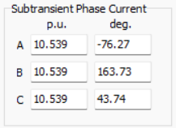

error

